Report
AVSA reporting period:
5/1/25 - 4/30/26
Student Name | Branch Name | Total Hours on This Sheet | AYLUS Hours on This Sheet | Non-AYLUS Hours on This Sheet
 |  | 0

Description of Services | Service Date | Service Hours | AYLUS Event? | Advisor or Reference

Guideline
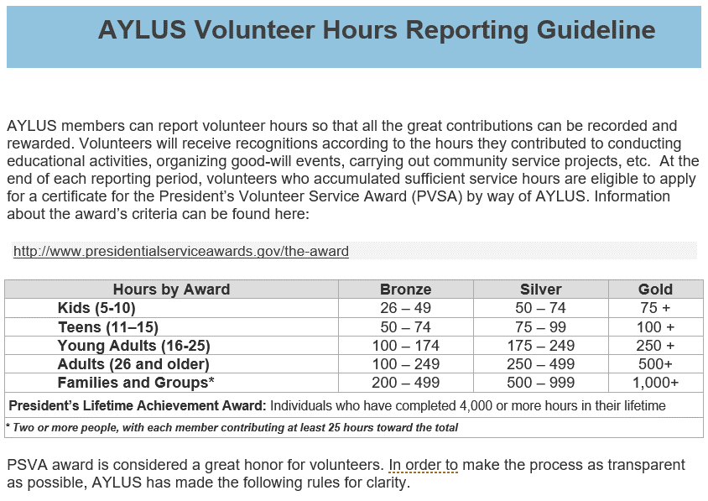

1. According to the President’s Volunteer Service Award (PVSA), only U.S. citizens or green card holders are eligible to apply for AVSA. 2. The annual period of AYLUS volunteer time is from May 1st of the previous year to April 30th of the current year. Student’s age is calculated based Oct 1st of the previous year. 3. AYLUS will only accept the AVSA application if the member’s (or volunteer’s) AYLUS volunteering time must account for more than 34% of the total declared hours. Note: For a new branch established less than one year ago, it is necessary to start timing reporting from the date of establishment.
For more detailed instructions, please visit
https://aylus.org/aylus-pvsa-application-guide/

Instruction
PVSA reporting period is:
5/1/25 to - 4/30/26
Student Name | Branch Name | Total Hours on This Sheet | AYLUS Hours on This Sheet | Non-AYLUS Hours on This Sheet
(Student) | (Branch) | 15 | 7 | 8
Choose Yes for activities by way of AYLUS, Tutorsworld, VolunteerStation and MathCicrleOnline. Also fill in the advisor's name who was on duty for the service activity. The filled advisor name represents a digital signature thus implies the advisor is able to confirm the authenticity of the information.
You can, of course, choose to use a reference sheet to provide more clarification as well.

Description of Services | Service Date | Service Hours | AYLUS Event? | Advisor or Reference
Description of a service in the name of AYLUS. Provide web link if any. | 2025-05-20 | 7 | YES | (Advisor)
Description of a service outside of AYLUS. | 2026-04-18 | 8 | NO | Sheet "Ref Sample"
This is only a sample. Fill in the hours in the "Report" sheet.

For non-AYLUS activities, use a reference sheet (for example, "Ref Sample") for photo copies of the sponsor's confirmation, preferrably with signature and contact information. Or sometimes a creditable time log sheet.

