Report
PVSA reporting period is:
From Last Year's 5/1 to Current Year's 4/30
Student Name | Branch Name | Total Hours on This Sheet | AYLUS Hours on This Sheet | Non-AYLUS Hours on This Sheet
 |  | 0

Description of Services | Service Date | Service Hours | AYLUS Event? | Advisor or Reference

Guideline
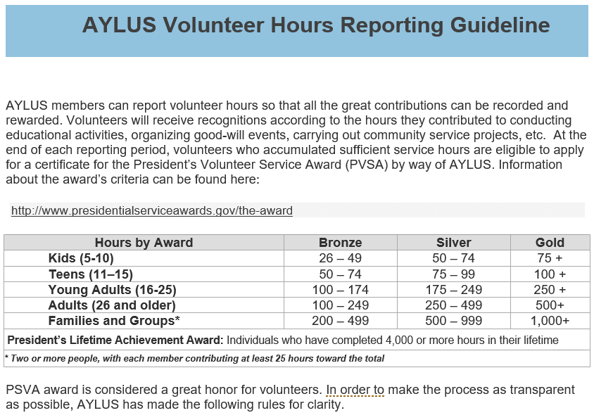
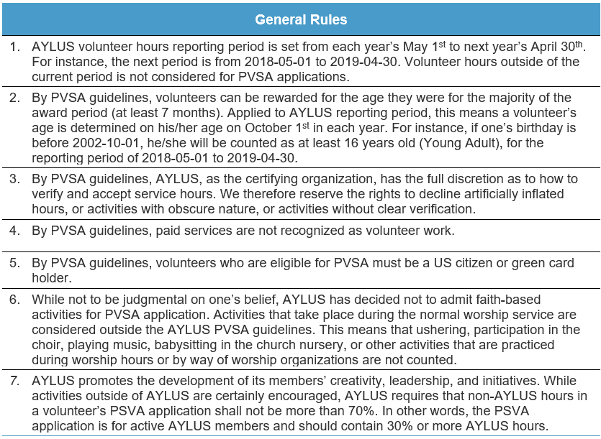

Instruction
PVSA reporting period is:
From Last Year's 5/1 to Current Year's 4/30
Student Name | Branch Name | Total Hours on This Sheet | AYLUS Hours on This Sheet | Non-AYLUS Hours on This Sheet
(Student) | (Branch) | 15 | 7 | 8
Choose Yes for activities by way of AYLUS, Tutorsworld, VolunteerStation and MathCicrleOnline. Also fill in the advisor's name who was on duty for the service activity. The filled advisor name represents a digital signature thus implies the advisor is able to confirm the authenticity of the information.
You can, of course, choose to use a reference sheet to provide more clarification as well.

Description of Services | Service Date | Service Hours | AYLUS Event? | Advisor or Reference
Description of a service in the name of AYLUS. Provide web link if any. | 2018-05-20 | 7 | YES | (Advisor)
Description of a service outside of AYLUS. | 2019-04-18 | 8 | NO | Sheet "Ref Sample"
This is only a sample. Fill in the hours in the "Report" sheet.

For non-AYLUS activities, use a reference sheet (for example, "Ref Sample") for photo copies of the sponsor's confirmation, preferrably with signature and contact information. Or sometimes a creditable time log sheet.

