Applicant-1's Report
PVSA reporting period is:
From last year's May 1st to this year's April 30th
Student Name | Branch Name | Total Hours on This Sheet | AYLUS Hours on This Sheet | Non-AYLUS Hours on This Sheet
(Applicant's Full Official Name) | (Branch Name) | 4 | 2 | 2

AYLUS.ORG Web Post link or Description of Non-AYLUS Services | Service Date (separate dates, starting last year, don't use a period) | Service Hours for Each Day (NMT 9 hours) | AYLUS Event? | AYLUS Advisor & Contact Information | Signature of Advisor
An AYLUS.ORG web post link is considered as the proof. | 2023-05-01 | 1 | Yes | Advisor's Name (email, phone number) | (Advisor's signature for all entries)
An AYLUS.ORG web post link is considered as the proof. | 2023-12-31 | 1 | Yes | Advisor's Name (email, phone number) | (Advisor's signature for all entries)
Description of a service hosted by a Non-AYLUS organization. Must come with a signed certificate or confirmation letter as the proof. | 2024-02-01 | 1 | No | Contact at a Non-AYLUS Organization (email, phone number) | (Advisor's signature for all entries) | Attach pictures of signed certificates or confirmation letters
Description of a service hosted by a Non-AYLUS organization. Must come with a signed certificate or confirmation letter as the proof. | 2024-04-30 | 1 | No | Contact at a Non-AYLUS Organization (email, phone number) | (Advisor's signature for all entries) | Attach pictures of signed certificates or confirmation letters

Applicant-2's Report
PVSA reporting period is:
From last year's May 1st to this year's April 30th
Student Name | Branch Name | Total Hours on This Sheet | AYLUS Hours on This Sheet | Non-AYLUS Hours on This Sheet
(Applicant's Full Official Name) | (Branch Name) | 4 | 2 | 2

AYLUS.ORG Web Post link or Description of Non-AYLUS Services | Service Date (separate dates, starting last year, don't use a period) | Service Hours for Each Day (NMT 9 hours) | AYLUS Event? | AYLUS Advisor & Contact Information | Signature of Advisor
An AYLUS.ORG web post link is considered as the proof. | 2023-05-01 | 1 | Yes | Advisor's Name (email, phone number) | (Advisor's signature for all entries)
An AYLUS.ORG web post link is considered as the proof. | 2023-12-31 | 1 | Yes | Advisor's Name (email, phone number) | (Advisor's signature for all entries)
Description of a service hosted by a Non-AYLUS organization. Must come with a signed certificate or confirmation letter as the proof. | 2024-02-01 | 1 | No | Contact at a Non-AYLUS Organization (email, phone number) | (Advisor's signature for all entries) | Attach pictures of signed certificates or confirmation letters
Description of a service hosted by a Non-AYLUS organization. Must come with a signed certificate or confirmation letter as the proof. | 2024-04-30 | 1 | No | Contact at a Non-AYLUS Organization (email, phone number) | (Advisor's signature for all entries) | Attach pictures of signed certificates or confirmation letters

Applicant-3's Report
PVSA reporting period is:
From last year's May 1st to this year's April 30th
Student Name | Branch Name | Total Hours on This Sheet | AYLUS Hours on This Sheet | Non-AYLUS Hours on This Sheet
(Applicant's Full Official Name) | (Branch Name) | 4 | 2 | 2

AYLUS.ORG Web Post link or Description of Non-AYLUS Services | Service Date (separate dates, starting last year, don't use a period) | Service Hours for Each Day (NMT 9 hours) | AYLUS Event? | AYLUS Advisor & Contact Information | Signature of Advisor
An AYLUS.ORG web post link is considered as the proof. | 2023-05-01 | 1 | Yes | Advisor's Name (email, phone number) | (Advisor's signature for all entries)
An AYLUS.ORG web post link is considered as the proof. | 2023-12-31 | 1 | Yes | Advisor's Name (email, phone number) | (Advisor's signature for all entries)
Description of a service hosted by a Non-AYLUS organization. Must come with a signed certificate or confirmation letter as the proof. | 2024-02-01 | 1 | No | Contact at a Non-AYLUS Organization (email, phone number) | (Advisor's signature for all entries) | Attach pictures of signed certificates or confirmation letters
Description of a service hosted by a Non-AYLUS organization. Must come with a signed certificate or confirmation letter as the proof. | 2024-04-30 | 1 | No | Contact at a Non-AYLUS Organization (email, phone number) | (Advisor's signature for all entries) | Attach pictures of signed certificates or confirmation letters

Instruction
PVSA reporting period is:
From 2019-05-01 to 2020-04-30
Student Name | Branch Name | Total Hours on This Sheet | AYLUS Hours on This Sheet | Non-AYLUS Hours on This Sheet
(Student) | (Branch) | 15 | 7 | 8

Choose Yes for activities by way of AYLUS, Tutorsworld, VolunteerStation and MathCicrleOnline. Also fill in the advisor's name who was on duty for the service activity. The filled advisor name represents a digital signature thus implies the advisor is able to confirm the authenticity of the information.
You can, of course, choose to use a reference sheet to provide more clarification as well.
Description of Services | Service Date | Service Hours | AYLUS Event? | Advisor or Reference
Description of a service in the name of AYLUS. Provide web link if any. | 2019-05-20 | 7 | YES | (Advisor)
Description of a service outside of AYLUS. | 2020-04-18 | 8 | NO | Sheet "Ref Sample"
This is only a sample. Fill in the hours in the "Report" sheet.
For non-AYLUS activities, use a reference sheet (for example, "Ref Sample") for photo copies of the sponsor's confirmation, preferrably with signature and contact information. Or sometimes a creditable time log sheet.

Guideline
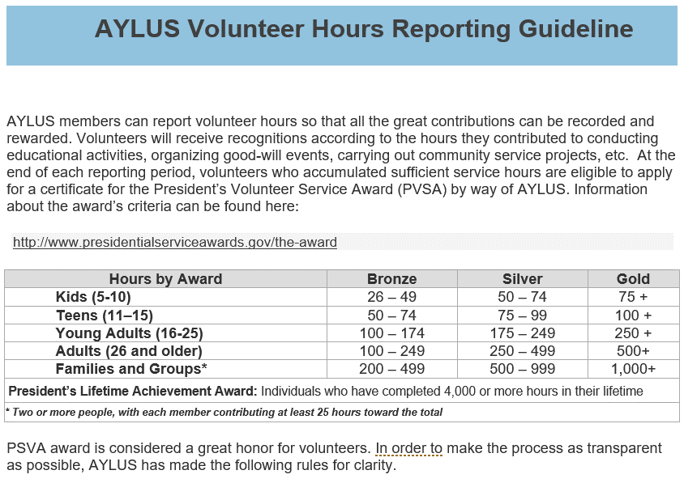

General Rules
1. AYLUS volunteer hours reporting period is set from each year’s May 1st to next year’s April 30th. Volunteer hours outside of the current period is not considered for PVSA applications.
2. By PVSA guidelines, volunteers can be rewarded for the age they were for the majority of the award period (at least 7 months). Applied to AYLUS reporting period, this means a volunteer’s age is determined on his/her age on October 1st in each year. For instance, if one’s birthday is before 2004-10-01, he/she will be counted as at least 16 years old (Young Adult), for the reporting period of 2020-05-01 to 2021-04-30.
3. By PVSA guidelines, AYLUS, as the certifying organization, has the full discretion as to how to verify and accept service hours. We therefore reserve the rights to decline artificially inflated hours, or activities with obscure nature, or activities without clear verification.
4. By PVSA guidelines, paid services are not recognized as volunteer work.
5. While not to be judgmental on one’s belief, AYLUS has decided not to admit faith-based activities for PVSA application. Activities that take place during the normal worship service are considered outside the AYLUS PVSA guidelines. This means that ushering, participation in the choir, playing music, babysitting in the church nursery, or other activities that are practiced during worship hours or by way of worship organizations are not counted.
6. AYLUS promotes the development of its members’ creativity, leadership, and initiatives. While activities outside of AYLUS are certainly encouraged, AYLUS requires that non-AYLUS hours in a volunteer’s PSVA application shall not be more than two thirds of the total hours. In other words, the PSVA application is for active AYLUS members and should contain at lease one third or more AYLUS hours.

